Title
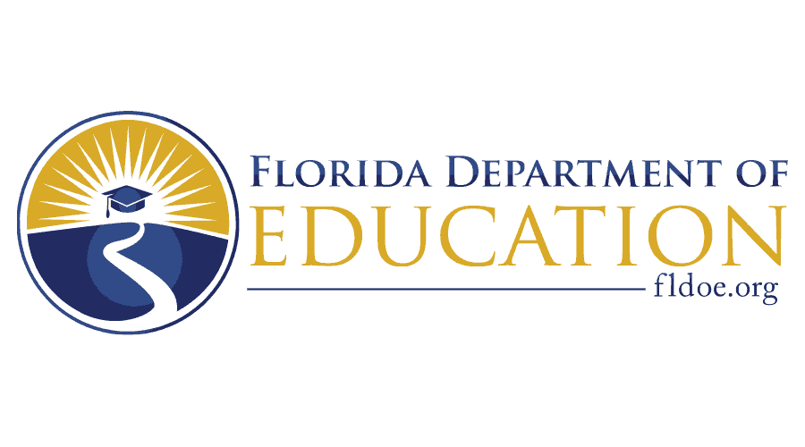
2026–2027 Pathways to Career Opportunities Grant (PCOG) Project Concept Excel Workbook
Governor Ron DeSantis Commissioner of Education Anastasios Kamoutsas
TAPS# 27B019
03/26/2026

PCOG_Instructions
Florida Department of Education (FDOE) Pathways to Career Opportunities Grant Project Concept Instructions
IMPORTANT: Please read the Summary and Checklist.
Please use 12-point font throughout this Excel Worksheet.
Written responses should be clear and concise. Avoid excessive spaces. Program narrative boxes contain a character limit.
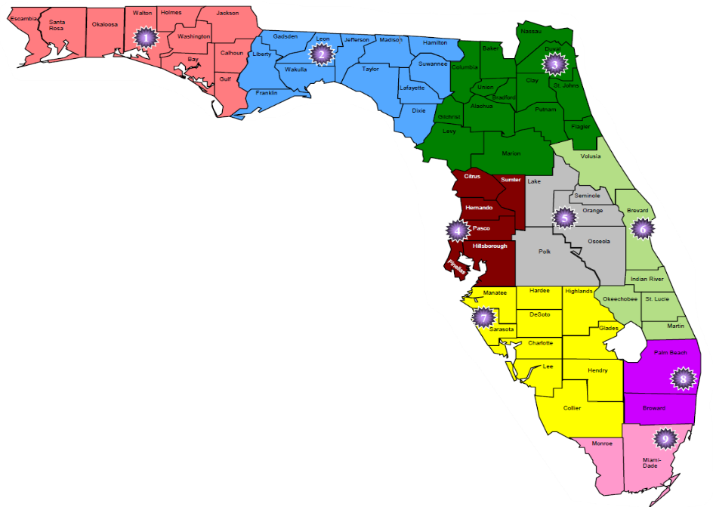 Use this Apprenticeship training regional map to answer question #6 on the General Information tab.
You can see if a question has a drop-down menu by looking for the following icon next to that space.

